Home

2018 |  |  |  |  |  |  |  |  |  |  |  |  |  |  | EMP #:13
 |  |  |  |  |  |  |  |  |  |  |  |  |  |  | Employee's Leave details :
JANUARY |  |  |  |  |  |  | FEBRUARY
S | M | T | W | T | F | S | S | M | T | W | T | F | S |  |  |  |  |  | Halfday | Total (days)
 | 1 | 2 | 3 | 4 | 5 | 6 |  |  |  |  | 1 | 2 | 3 |  | AL | Annual Leave |  |  |  | 0
7 | 8 | 9 | 10 | 11 | 12 | 13 | 4 | 5 | 6 | 7 | 8 | 9 | 10 |  | SL | Sick Leave |  |  |  | 0
14 | 15 | 16 | 17 | 18 | 19 | 20 | 11 | 12 | 13 | 14 | 15 | 16 | 17 |  |  | No Pay |  |  |  | 0
21 | 22 | 23 | 24 | 25 | 26 | 27 | 18 | 19 | 20 | 21 | 22 | 23 | 24 |  | LL | Short Leave |  |  |  | 0
28 | 29 | 30 | 31 |  |  |  | 25 | 26 | 27 | 28 |  |  |  |  | DJ | Recommencement of Duty

MARCH |  |  |  |  |  |  | APRIL
S | M | T | W | T | F | S | S | M | T | W | T | F | S |  |  | Lieu Leave |  |  |  | 0
 |  |  |  | 1 | 2 | 3 | 1 | 2 | 3 | 4 | 5 | 6 | 7 |  |  | Emergency Leave |  |  |  | 0
Personal File
4 | 5 | 6 | 7 | 8 | 9 | 10 | 8 | 9 | 10 | 11 | 12 | 13 | 14 |  |  | Worked in Sri Lanka - Ragama |  |  |  | 0
11 | 12 | 13 | 14 | 15 | 16 | 17 | 15 | 16 | 17 | 18 | 19 | 20 | 21 |  |  | Others |  |  |  | 0
Passport &Visa
18 | 19 | 20 | 21 | 22 | 23 | 24 | 22 | 23 | 24 | 25 | 26 | 27 | 28 |  |  | Vaccation due
25 | 26 | 27 | 28 | 29 | 30 | 31 | 29 | 30
 |  |  |  |  |  |  |  |  |  |  |  |  |  |  | Leave balance as at 31.03.2016 |  |  |  | 3.58 | days
Leave Calculation
MAY |  |  |  |  |  |  | JUNE |  |  |  |  |  |  |  | Days worked from 01.01.2017 to until now |  |  |  | 8.00 | days
S | M | T | W | T | F | S | S | M | T | W | T | F | S |  | Earned Leave as at today |  |  |  | 4.244 | days
 |  | 1 | 2 | 3 | 4 | 5 |  |  |  |  |  | 1 | 2 |  | Previous calendar day before leave starts
Time Sheet
6 | 7 | 8 | 9 | 10 | 11 | 12 | 3 | 4 | 5 | 6 | 7 | 8 | 9 |  | Expected Earned leave as at |  |  | 0 | #NUM! | days
13 | 14 | 15 | 16 | 17 | 18 | 19 | 10 | 11 | 12 | 13 | 14 | 15 | 16
20 | 21 | 22 | 23 | 24 | 25 | 26 | 17 | 18 | 19 | 20 | 21 | 22 | 23 |  | Employee details:
Milcri CV
27 | 28 | 29 | 30 | 31 |  |  | 24 | 25 | 26 | 27 | 28 | 29 | 30
 |  |  |  |  |  |  |  |  |  |  |  |  |  | 1 | Name(PP) : |  | Konpitiya Kankanamalage/ Sanjeewa Prasanga
JULY |  |  |  |  |  |  | AUGUST |  |  |  |  |  |  | 2 | Designation : |  | Quantity Surveyor
General CV
S | M | T | W | T | F | S | S | M | T | W | T | F | S | 3 | Date of Joining : |  | 25.04.2007
1 | 2 | 3 | 4 | 5 | 6 | 7 |  |  |  | 1 | 2 | 3 | 4 | 4 | Nationality : |  | Sri Lankan
Contract Doc
8 | 9 | 10 | 11 | 12 | 13 | 14 | 5 | 6 | 7 | 8 | 9 | 10 | 11 | 5 | Working Location : |  | Salalah Airport Project
15 | 16 | 17 | 18 | 19 | 20 | 21 | 12 | 13 | 14 | 15 | 16 | 17 | 18 | 6 | Original Passport : |  | OUT
22 | 23 | 24 | 25 | 26 | 27 | 28 | 19 | 20 | 21 | 22 | 23 | 24 | 25 | 7 | Air Ticket : |  | Employer
29 | 30 | 31 |  |  |  |  | 26 | 27 | 28 | 29 | 30 | 31 |  | 8 | A.Leave Entitlement : |  | After 11 months
 |  |  |  |  |  |  |  |  |  |  |  |  |  | 9 | Status : |  | Bachelor
SEPTEMBER |  |  |  |  |  |  | OCTOBER |  |  |  |  |  |  | 10 | Reported after last leave : 24.08.2015
S | M | T | W | T | F | S | S | M | T | W | T | F | S | 11 | Visa expiry date : |  | 28.02.2018
 |  |  |  |  |  | 1 |  | 1 | 2 | 3 | 4 | 5 | 6 | 12 | Passport Number : |  | N1684816
2 | 3 | 4 | 5 | 6 | 7 | 8 | 7 | 8 | 9 | 10 | 11 | 12 | 13 | 13 | Passport Expiry date : |  | 01.06.2016
9 | 10 | 11 | 12 | 13 | 14 | 15 | 14 | 15 | 16 | 17 | 18 | 19 | 20 | 14 | Contcat number : |  | 92675480
16 | 17 | 18 | 19 | 20 | 21 | 22 | 21 | 22 | 23 | 24 | 25 | 26 | 27 | 15 | DOB : |  | 24.09.1979
23 | 24 | 25 | 26 | 27 | 28 | 29 | 28 | 29 | 30 | 31 |  |  |  | 16 | Medical Insurance : |  | YES RN -2
30 |  |  |  |  |  |  |  |  |  |  |  |  |  | 17 | Accomondation : |  | Salalah
 |  |  |  |  |  |  |  |  |  |  |  |  |  | 18 | Emergency contact (SL) :
NOVEMBER |  |  |  |  |  |  | DECEMBER |  |  |  |  |  |  | 19 | e-mail : |  | sanjeewa@milcris.org
S | M | T | W | T | F | S | S | M | T | W | T | F | S
 |  |  |  | 1 | 2 | 3 |  |  |  |  |  |  | 1
4 | 5 | 6 | 7 | 8 | 9 | 10 | 2 | 3 | 4 | 5 | 6 | 7 | 8 |  | Airticket details :
11 | 12 | 13 | 14 | 15 | 16 | 17 | 9 | 10 | 11 | 12 | 13 | 14 | 15 |  | No. | Date | LPO# | Inbound | Outbound | Amount | Purpose | Agent | Route | Date change
18 | 19 | 20 | 21 | 22 | 23 | 24 | 16 | 17 | 18 | 19 | 20 | 21 | 22
25 | 26 | 27 | 28 | 29 | 30 |  | 23 | 24 | 25 | 26 | 27 | 28 | 29
 |  |  |  |  |  |  | 30 | 31

.
Home
 |  | Leave Entitlement as at |  |  | 04.09.2017
Name |  | K K Sanjeewa Prasanga
Emp No. |  | 13
Date Joined |  | 25-Apr-07
Rejoining date |  | 24.08.2016
Ser | Month | Days per | AL/LL | SL | EL | NPL | Other | Days | Earned Leave
No. |  | Month |  |  |  |  |  | worked
Leave balance B/F as at 24/08/2015 |  |  |  |  |  |  |  |  | 3.64
 | 2015
 | August | 8 |  |  |  |  |  | 8 | 0.72
 | September | 30 |  |  |  |  |  | 30 | 2.70
 | October | 31 |  |  |  |  |  | 31 | 2.79
 | November | 30 |  |  |  |  |  | 30 | 2.70
 | December | 31 |  |  |  |  |  | 31 | 2.79
 | 2016
 | January | 31 |  | 1 |  |  |  | 30 | 2.70
 | February | 28 |  |  |  |  |  | 28 | 2.52
 | March | 31 |  |  |  |  |  | 31 | 2.79
 | April | 30 |  |  |  |  |  | 30 | 2.70
 | May | 31 |  |  |  |  |  | 31 | 2.79
 | June | 30 |  | 3 |  |  |  | 27 | 2.43
 | July | 31 | 17 |  |  |  |  | 14 | 1.26
 | August | 31 |  |  |  |  |  | 31 | 2.79
 | September | 30 |  |  |  |  |  | 30 | 2.70
 | October | 31 |  |  |  |  |  | 31 | 2.79
 | November | 30 |  |  |  |  |  | 30 | 2.70
 | December | 31 |  |  |  |  |  | 31 | 2.57
 | 2017 |  |  |  |  |  |  |  | -
 | January | 31 |  |  |  |  |  | 31 | 2.55
 | February | 28 |  |  |  |  |  | 28 | 2.30
 | March | 31 |  |  |  |  |  | 31 | 2.55
 | April | 30 |  |  |  |  |  | 30 | 2.47
 | May | 31 |  |  |  |  |  | 31 | 2.55
 | June | 30 |  |  |  |  |  | 30 | 2.47
 | July | 31 | 19 |  |  |  |  | 12 | 0.99
 | August | 31 |  |  |  |  |  | 31 | 2.55
 | September | 30 | 6 |  |  |  |  | 24 | 1.97
 | October | 31 | 25 | 6 |  |  |  | 0 | -
 | November | 30 |  | 11 |  |  |  | 19 | 1.56
 | December | 31 |  |  |  |  |  | 31 | 2.55
Total………………. |  | 860.00 | 67.00 | 21.00 | - | - | - | 772.00 | 70.58

Less :- Annual leave & local leave
1 | Annual Leave-AL |  |  |  |  |  |  |  | 67.00
2 | Local Leave-LL
 |  |  |  |  |  |  |  |  | -
Total Earned Leave balance……………………………………………………………… |  |  |  |  |  |  |  |  | 3.58

Other Leave
1 | Sick Leave-SL |  | 21
2 | Emergency Leave-EL |  | -
3 | No pay Leave-NPL |  | -
4 | Other |  | -
Total other leave |  |  | 21

……………………. |  |  |  | ………………………..
Prepared By |  |  |  | Checked by

..
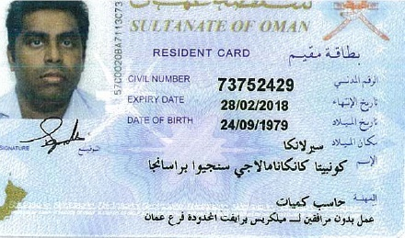
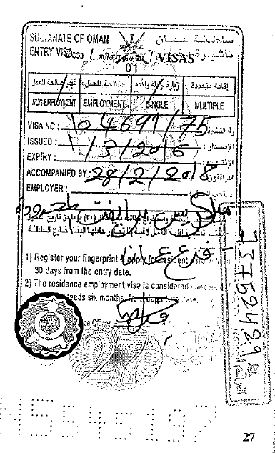
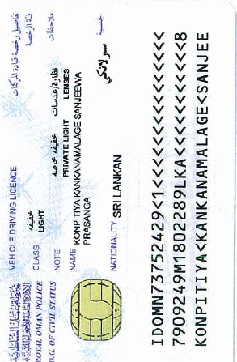
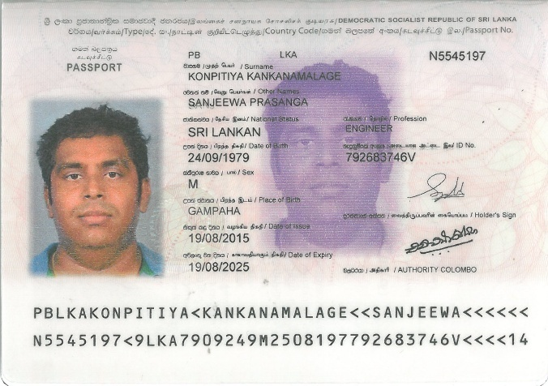
Home

